Sheet1
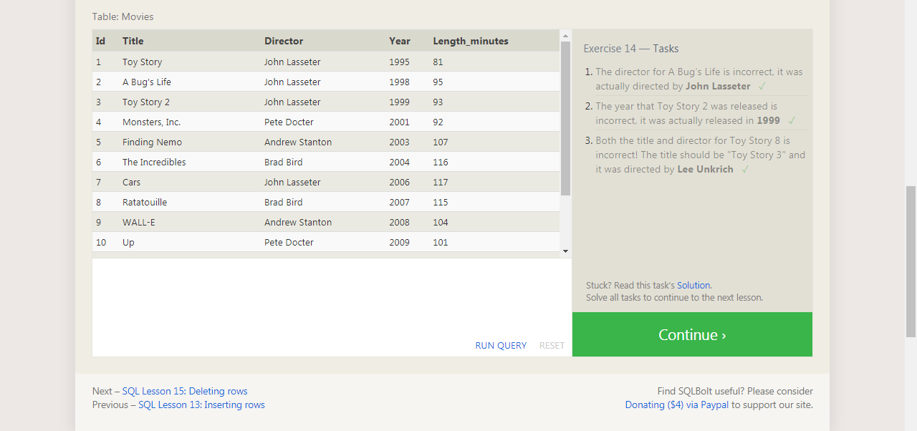
UPDATE movies
SET director = "John Lasseter"
WHERE id = 2;

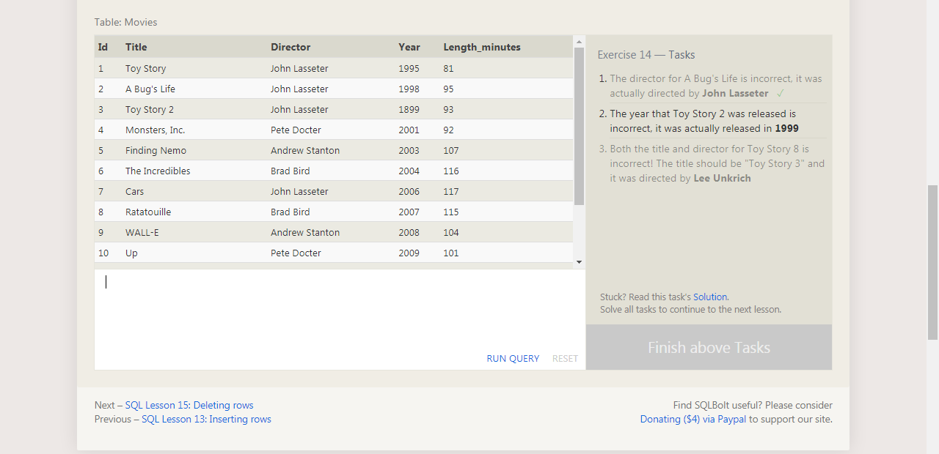



 | UPDATE movies
 | SET year = 1999
 | WHERE id = 3;

 |  | UPDATE movies
 |  | SET title = "Toy Story 3", director = "Lee Unkrich"
 |  | WHERE id = 11;

